Table 2
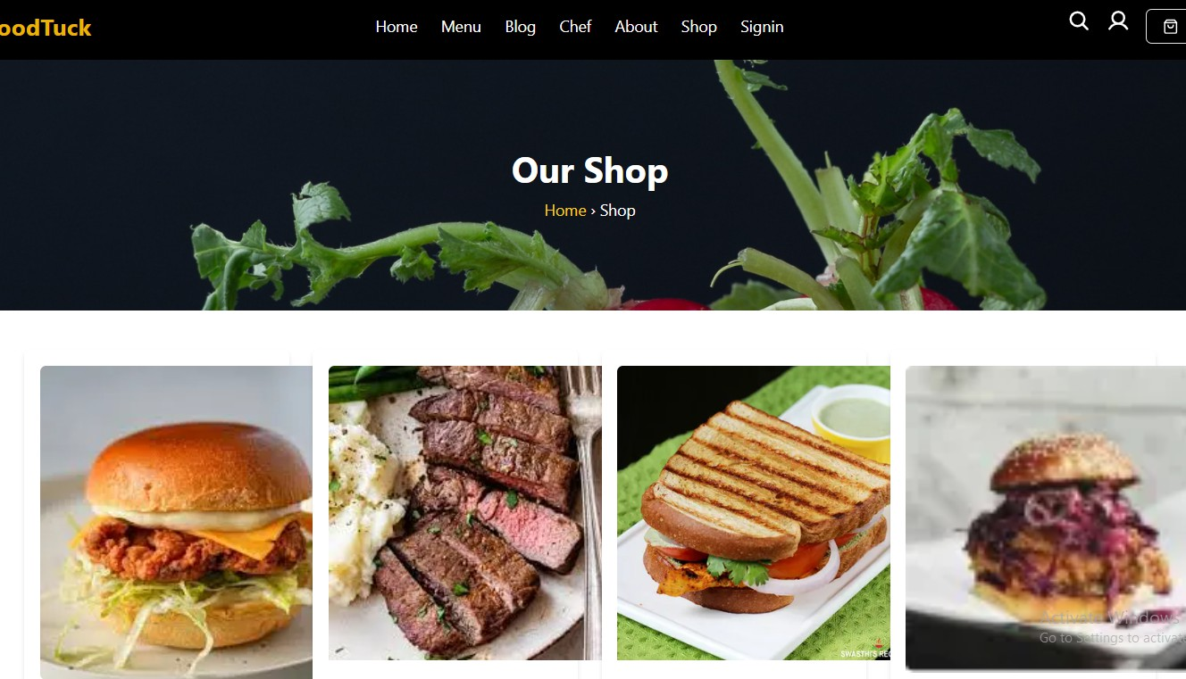
Category Component: This component will allow individual product details to be displayed using dynamic routing in Next.js. Each product will have a dedicated page with comprehensive information like product available sizes, and price.

Table 3

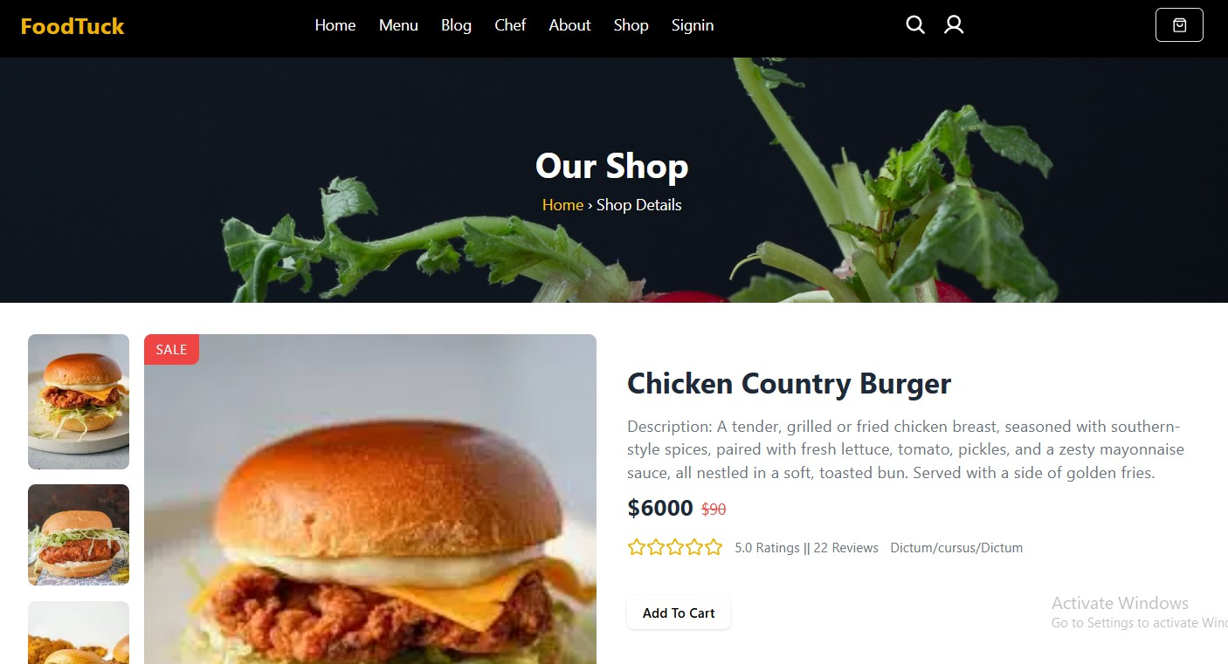
Product Detail Component: This component will allow individual product details to be displayed using dynamic routing in Next.js. Each product will have a dedicated page with comprehensive information like product description, available sizes, and price. Example: There is a visual example of a product detail page with a " Chicken Country Bugger" dish, its price, and a button.

Table 5
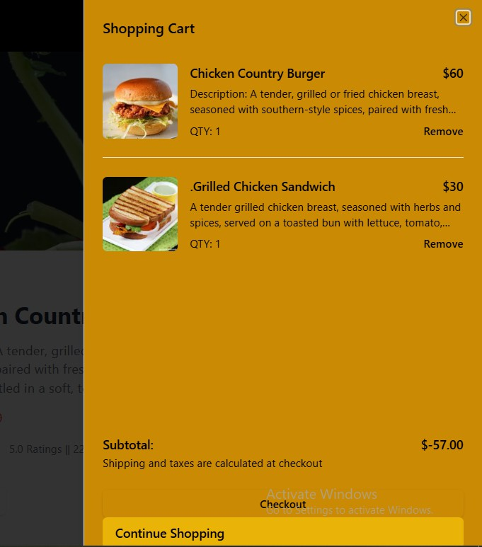
Dynamic Routing Dynamic routing is used to handle routes like /shop/:id for individual product pages. 1. Create Dynamic Route File: In the pages directory, create a [id].tsx flle inside the shop folder: pages/shop/[slug]/page.tsx 2. Get Product Data Dynamically:

